Beating the Benchmark
Beating The Benchmark
 |  |  | Click to expand

Index Ticker | SPX Index
Pct Change | 6M
Time Range | 8Y
Periodicity | M

LET | let(#Return = dropna(pct_chg(px_last(dates=range(-6M,0D),fill=prev))) ; #roll= rolling(count(group(dropna(matches(ID, #return > value(#return,['SPX Index'])),true)))/count(group(ID)),range(-8Y,-1D,frq=M));)

GET | get(#roll().iteration_date,#roll().value)
FOR | for(members('SPX Index'))
WITH | with(currency=USD, mode=cached)

% of Index Members Beating The Benchmark
 | % of Index Members Beating The Benchmark
8/28/2015 | 52.68%
9/28/2015 | 47.51%
10/28/2015 | 47.71%
11/28/2015 | 48.91%
12/28/2015 | 45.13%
1/28/2016 | 46.32%
2/28/2016 | 46.32%
3/28/2016 | 47.71%
4/28/2016 | 55.47%
5/28/2016 | 53.88%
6/28/2016 | 53.88%
7/28/2016 | 55.86%
8/28/2016 | 53.68%
9/28/2016 | 50.70%
10/28/2016 | 46.92%
11/28/2016 | 47.32%
12/28/2016 | 44.73%
1/28/2017 | 44.53%
2/28/2017 | 42.35%
3/28/2017 | 46.12%
4/28/2017 | 51.09%
5/28/2017 | 51.69%
6/28/2017 | 53.88%
7/28/2017 | 52.88%
8/28/2017 | 49.90%
9/28/2017 | 51.49%
10/28/2017 | 51.09%
11/28/2017 | 52.49%
12/28/2017 | 48.31%
1/28/2018 | 49.50%
2/28/2018 | 49.50%
3/28/2018 | 50.50%
4/28/2018 | 46.52%
5/28/2018 | 45.13%
6/28/2018 | 41.75%
7/28/2018 | 48.51%
8/28/2018 | 45.33%
9/28/2018 | 37.97%
10/28/2018 | 43.14%
11/28/2018 | 47.51%
12/28/2018 | 47.71%
1/28/2019 | 52.88%
2/28/2019 | 54.27%
3/28/2019 | 50.89%
4/28/2019 | 54.47%
5/28/2019 | 53.48%
6/28/2019 | 54.27%
7/28/2019 | 47.91%
8/28/2019 | 48.11%
9/28/2019 | 53.08%
...
Query starts here | 2015-08-28 | 52.68%
 | 2015-09-28 | 47.51%
 | 2015-10-28 | 47.71%
 | 2015-11-28 | 48.91%
 | 2015-12-28 | 45.13%
 | 2016-01-28 | 46.32%
 | 2016-02-28 | 46.32%
 | 2016-03-28 | 47.71%
 | 2016-04-28 | 55.47%
 | 2016-05-28 | 53.88%
 | 2016-06-28 | 53.88%
 | 2016-07-28 | 55.86%
 | 2016-08-28 | 53.68%
 | 2016-09-28 | 50.70%
 | 2016-10-28 | 46.92%
 | 2016-11-28 | 47.32%
 | 2016-12-28 | 44.73%
 | 2017-01-28 | 44.53%
 | 2017-02-28 | 42.35%
 | 2017-03-28 | 46.12%
 | 2017-04-28 | 51.09%
 | 2017-05-28 | 51.69%
 | 2017-06-28 | 53.88%
 | 2017-07-28 | 52.88%
 | 2017-08-28 | 49.90%
 | 2017-09-28 | 51.49%
 | 2017-10-28 | 51.09%
 | 2017-11-28 | 52.49%
 | 2017-12-28 | 48.31%
 | 2018-01-28 | 49.50%
 | 2018-02-28 | 49.50%
 | 2018-03-28 | 50.50%
 | 2018-04-28 | 46.52%
 | 2018-05-28 | 45.13%
 | 2018-06-28 | 41.75%
 | 2018-07-28 | 48.51%
 | 2018-08-28 | 45.33%
 | 2018-09-28 | 37.97%
 | 2018-10-28 | 43.14%
 | 2018-11-28 | 47.51%
 | 2018-12-28 | 47.71%
 | 2019-01-28 | 52.88%
 | 2019-02-28 | 54.27%
 | 2019-03-28 | 50.89%
 | 2019-04-28 | 54.47%
 | 2019-05-28 | 53.48%
 | 2019-06-28 | 54.27%
 | 2019-07-28 | 47.91%
 | 2019-08-28 | 48.11%
 | 2019-09-28 | 53.08%
 | 2019-10-28 | 53.28%
 | 2019-11-28 | 47.71%
 | 2019-12-28 | 41.95%
 | 2020-01-28 | 42.35%
 | 2020-02-28 | 38.57%
 | 2020-03-28 | 38.17%
 | 2020-04-28 | 40.36%
 | 2020-05-28 | 40.95%
 | 2020-06-28 | 37.38%
 | 2020-07-28 | 40.16%
 | 2020-08-28 | 32.41%
 | 2020-09-28 | 41.55%
 | 2020-10-28 | 44.73%
 | 2020-11-28 | 49.90%
 | 2020-12-28 | 53.28%
 | 2021-01-28 | 52.49%
 | 2021-02-28 | 57.85%
 | 2021-03-28 | 59.24%
 | 2021-04-28 | 57.65%
 | 2021-05-28 | 57.06%
 | 2021-06-28 | 54.08%
 | 2021-07-28 | 50.10%
 | 2021-08-28 | 44.53%
 | 2021-09-28 | 39.17%
 | 2021-10-28 | 39.76%
 | 2021-11-28 | 34.00%
 | 2021-12-28 | 40.56%
 | 2022-01-28 | 49.50%
 | 2022-02-28 | 48.31%
 | 2022-03-28 | 45.33%
 | 2022-04-28 | 53.48%
 | 2022-05-28 | 56.46%
 | 2022-06-28 | 53.08%
 | 2022-07-28 | 53.28%
 | 2022-08-28 | 51.89%
 | 2022-09-28 | 52.88%
 | 2022-10-28 | 53.08%
 | 2022-11-28 | 56.06%
 | 2022-12-28 | 59.24%
 | 2023-01-28 | 57.06%
 | 2023-02-28 | 58.25%
 | 2023-03-28 | 50.70%
 | 2023-04-28 | 40.95%
 | 2023-05-28 | 25.84%
 | 2023-06-28 | 28.03%
 | 2023-07-28 | 24.85%
 | 2023-08-27 | 25.45%

Sector Comparison
Beating The Benchmark
 |  |  | Click to expand

Index Ticker | SPX Index
Pct Change | 6M
as of Date | 2023-08-28
Classification | BICS
Level | 2

LET | let(#Return = dropna(pct_chg(px_last(dates=range(-6M,2023-08-28),fill=prev))); #Sector_Chg = wavg(group(#return,classification_name(BICS,2)),group(ID().weights,classification_name(BICS,2)))/100; #Index_Chg = avg(group(value(#return,['SPX Index'])/100,classification_name(BICS,2))); #Best_Perf_Sectors = groupsort(dropna(matches(#Sector_Chg, #Sector_Chg > #Index_Chg),true),order=desc) ;)

GET | get(#Best_Perf_Sectors)
FOR | for(members('SPX Index',dates=2023-08-28))
WITH | with(currency=USD, mode=cached)

Query starts here | ID | #Best_Perf_Sectors
 | Media | 39.08%
 | Tech Hardware & Semiconductors | 35.36%
 | Retail & Whsle - Discretionary | 26.12%

Best Performers
Beating The Benchmark
 |  |  |  | Click to expand

Index Ticker | SPX Index
Pct Change | 6M
as of Date | 2023-08-28
Classification | BICS
Classification Level | 2
Number of Members displayed | 10

LET | let(#Return = dropna(pct_chg(px_last(dates=range(-6M,2023-08-28),fill=prev)))/100; #Best_Perf = groupsort(#return,order=desc).value; #Class = Classification_Name(BICS,2).value;)

GET | get(#Best_Perf,#Class)
FOR | for(filter(fundamentalticker(members('SPX Index',dates=2023-07-12)),grouprank(#best_perf)<=10))
WITH | with(currency=USD, mode=cached)

Query starts here | ID | #Best_Perf | #Class
 | ADBE US Equity | 62.68% | Software & Tech Services
 | AAPL US Equity | 21.33% | Tech Hardware & Semiconductors
 | ACN US Equity | 20.50% | Software & Tech Services
 | ABC US Equity | 16.06% | Health Care
 | ACGL US Equity | 6.36% | Insurance
 | ABT US Equity | 0.40% | Health Care
 | ABBV US Equity | -4.53% | Health Care
 | AAL US Equity | -8.32% | Industrial Services
 | A US Equity | -15.21% | Health Care
 | AAP US Equity | -54.66% | Retail & Whsle - Discretionary

Resources
 | Resources

Bloomberg

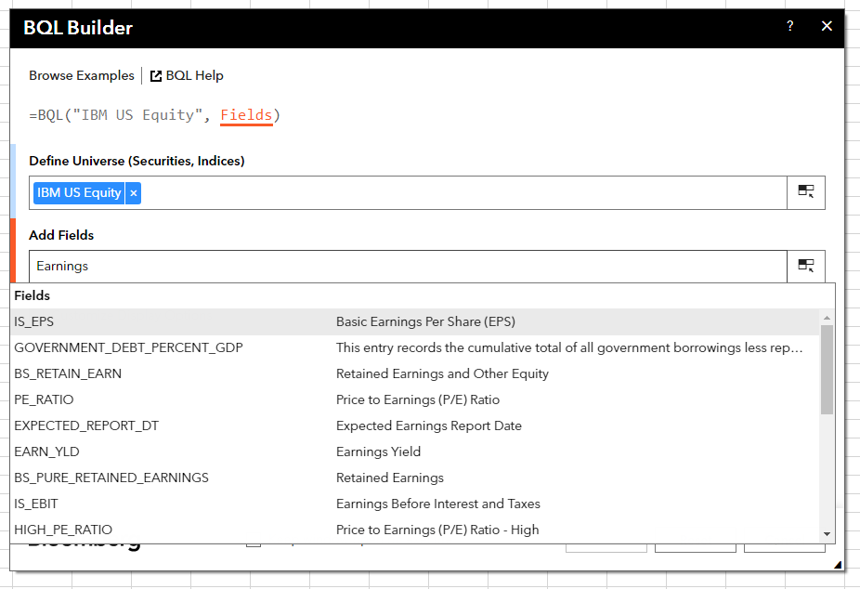
 | Bloomberg Ribbon: BQL Builder + BQL Query Editor


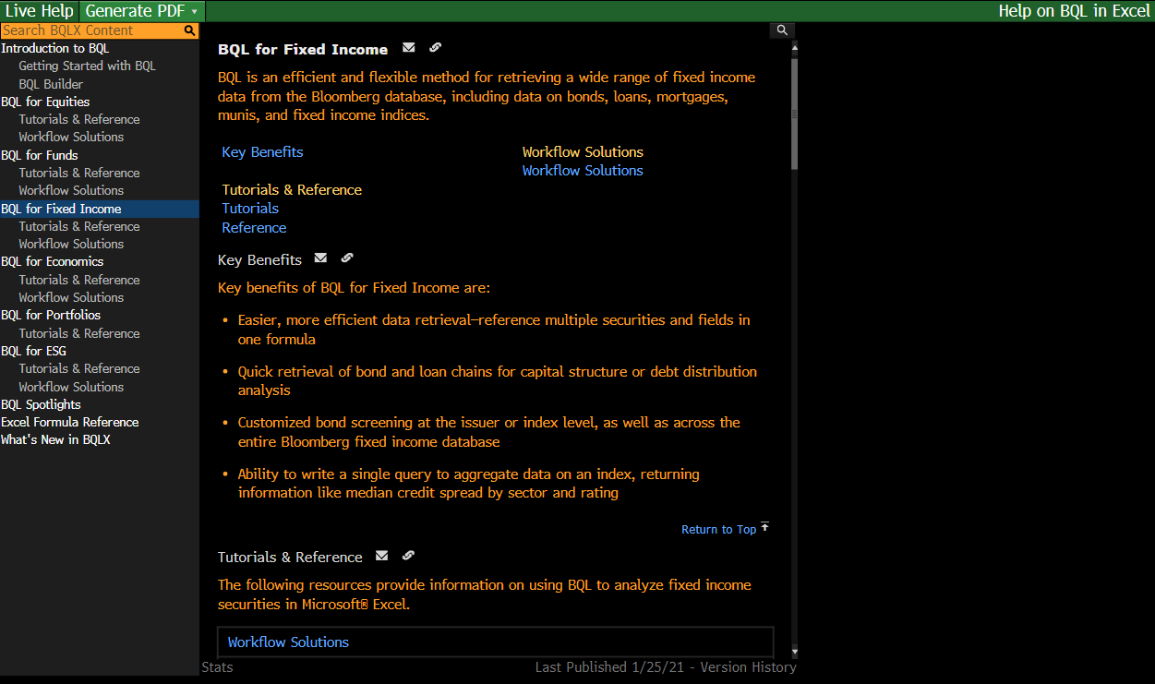
 | BQLX <GO> for HELP Page

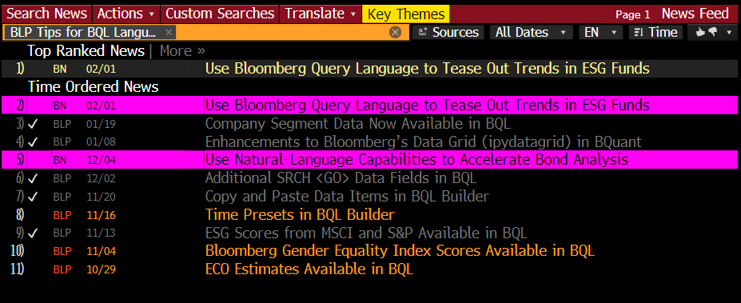
 | NI BLPBQL <GO>
 | Please subscribe it from "Actions" at the top -> Set Alert Delivery

